Work Instruction
Product | Bicycle | Name of the product that this work instruction contributes to.
Instruction | Bicycle Wheels, Seat, Brakes | Title of this set of steps to produce the product.
Version | 1 | Version code for this document.
QR Code | FALSE | True if the work instruction produces a printed QR code on completion. False otherwise.
Serial Number | FALSE | True if the work instruction allows the operator to input a product serial number after the last step. False otherwise.
Produces | Bicycle Assembly | The name of the part or product the work instruction produces.

Parts | Name | Body | Primary Media | Detailed Body | Secondary Media
(Bicycle Frame Assembly, B-0009, Tag, false), (Bicycle Wheel Front Assembly, B-0020, Tag, false), (Bicycle Wheel Rear Assembly, B-0021, Tag, false), (Bicycle Seat Post, B-0017, , false), (Bicycle Saddle, B-0016, , false), (Bicycle Brakes, B-0002, , false)
 | Install Wheel Sets | Install Wheel SetsMount front and rear wheels into dropouts.PASS: Wheels spin freely, secure axle engagementFAIL: Misalignment or binding | 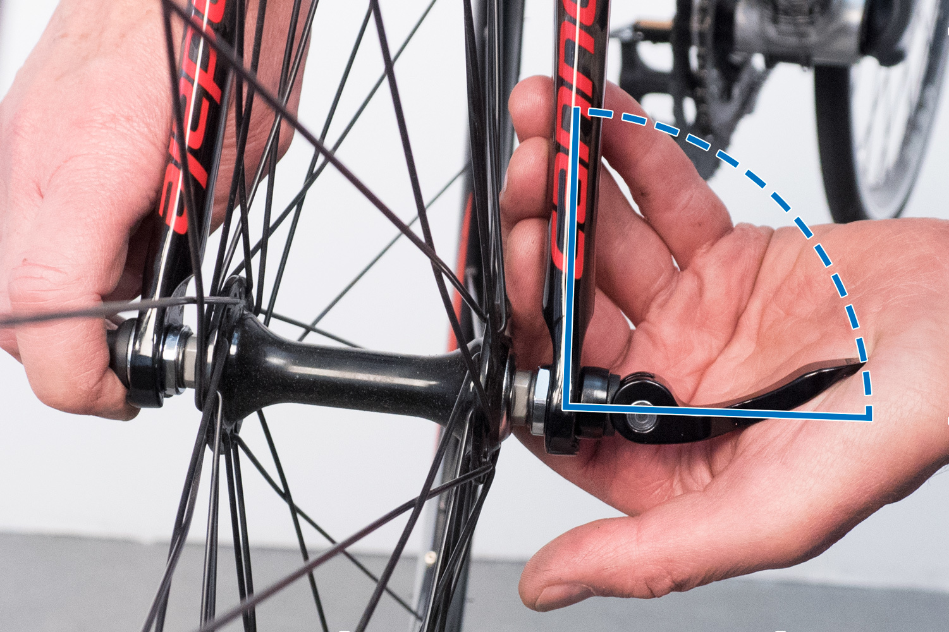 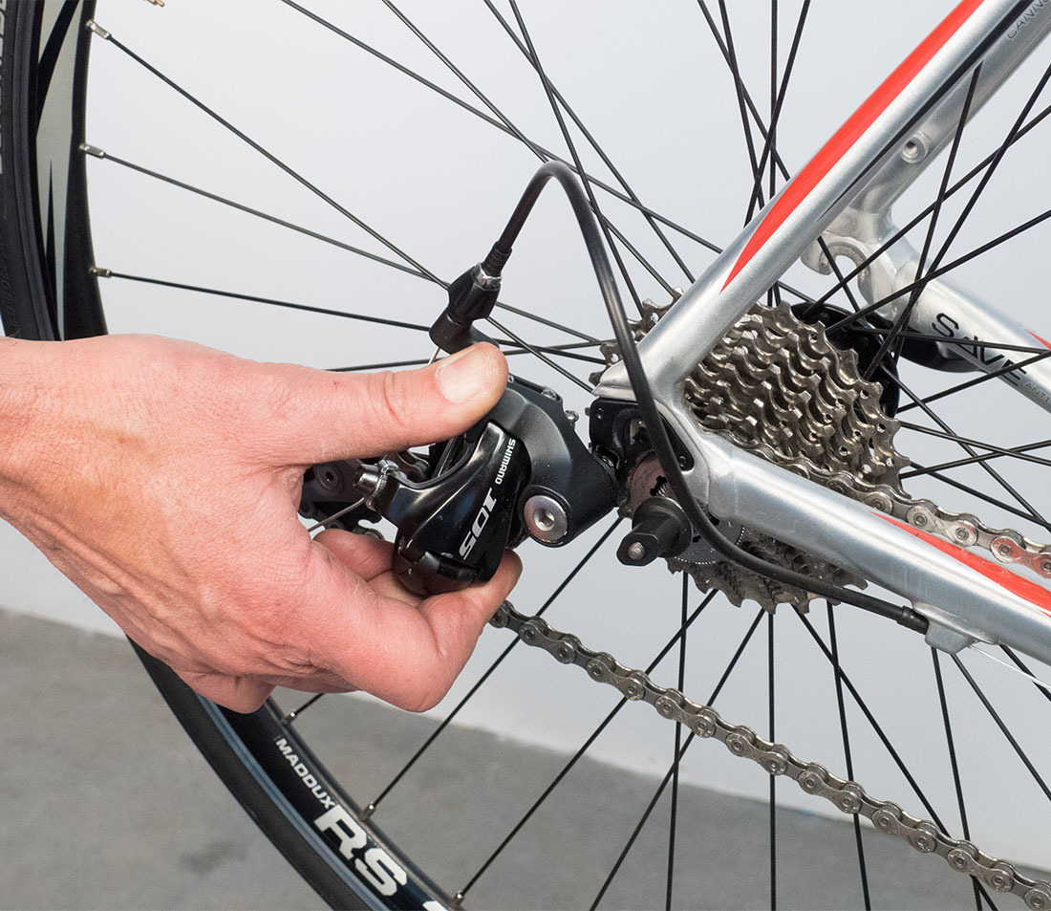
 | Install Seat Post and Saddle | Install Seat Post and SaddleInsert seat post and attach saddle.PASS: Secure clamp and stable seating positionFAIL: Slipping or instability | 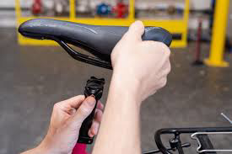
 | Install Brakes | Install BrakesAttach brakes and connect to wheels.PASS: Strong braking response without rubFAIL: Weak braking or constant contact

